Git Commits and Blog Posts (Med
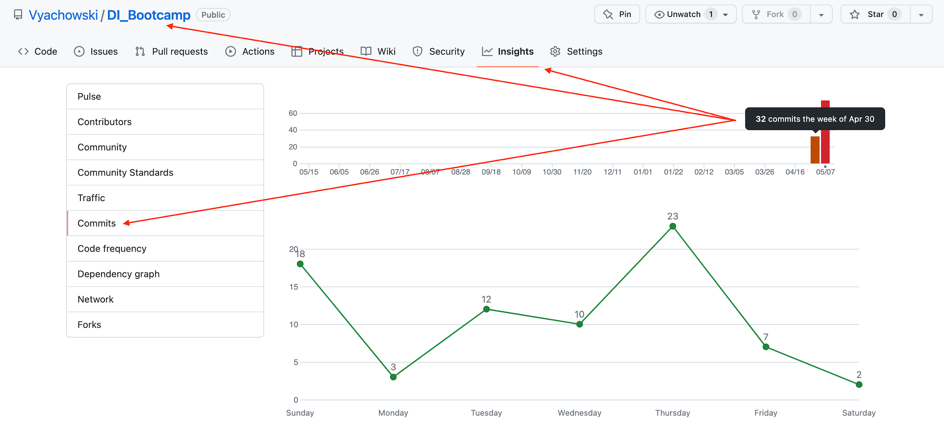
Date | How Many Git Commits or Blog Posts (medium) did you do this week? Please type a number (1, 45, 0, 27, etc) | Git Commit or Blog Post | URL of Blog Post
20/05/2023 | 9 | Git Commit
20/09/2023 | 1 | Blog Post | http://www.medium.com

